PivotChart
Unit Sold Yearly
Segment-wise Profit
Sales by Country
Yearly Sales and Profit
Row Labels | Sum of Profit | Sum of Sales
2013 | 3878464.51 | 26415255.51
2014 | 13015237.75 | 92311094.75

Row Labels | Sum of Sales
Canada | 24887654.885
France | 24354172.28
Germany | 23505340.82 |  | Row Labels | Sum of Units Sold
Mexico | 20949352.11 |  | 2013 | 264674
United States of America | 25029830.165 |  | 2014 | 861132

Row Labels | Sum of Sales
Channel Partners | 1800593.64
Enterprise | 19611694.375 |  | Row Labels | Count of Discount Band
Sales and Profit by Quarter
Segment-wise Sales
Sales vs Profit
 | 1
Government | 52504260.67 |  | Montana | 93
Midmarket | 2381883.075 |  | Carretera | 93
Product wise Discount
Small Business | 42427918.5 |  | Amarilla | 94
 |  |  | VTT | 109
Row Labels | Sum of Profit |  | Velo | 109
Channel Partners | 1316803.14 |  | Paseo | 202
Enterprise | -614545.625
Government | 11388173.17
Midmarket | 660103.075
Small Business | 4143168.5

Row Labels | Sum of Profit | Sum of Sales
Qtr1 | 2632442.94 | 19492152.94
Qtr2 | 3232378.45 | 22693879.95
Qtr3 | 3501667.37 | 24850239.87
Qtr4 | 7527213.5 | 51690077.5

 | Sum of Profit | Sum of Sales | Sum of Discounts | Sum of Units Sold
 | 16894K | 118726K | 9205K | 1126K

 |  |  | Derived Insights from the Dataset

 |  |  |  |  | Derive Insights
 | Focus on high-performing countries like Germany and France for expansion or promotions. |  |  |  |  | Goverment segments generate the most sales.
 | Midmarket segment should be prioritized in marketing due to consistent sales. |  |  |  |  | United States of America generate the most sales in the Country.
 | Consider stocking and promoting top-selling products like Carretera. |  |  |  |  | Countries like Germany, France, and Canada show consistently higher gross sales and profits compared to others.
 | Monitor the impact of discounts — consider offering them only on low-performing products. |  |  |  |  | Mexico and Australia have moderate sales but may offer better margins depending on the product.
 | Plan seasonal sales campaigns around high-traffic months like January and December. |  |  |  |  | The Midmarket segment contributes the most to Units Sold and Sales, followed by Government and Channel Partners.
 |  |  |  |  |  | Government segment tends to have fewer sales but relatively high-profit margins per unit.
 |  |  |  |  |  | The product “Carretera” appears frequently and shows high total units sold across multiple countries – suggesting it’s a top-selling product.
 |  |  |  |  |  | Products like “Montana” or “Paseo” have lower unit sales but may offer higher price margins.
 |  |  |  |  |  | Most entries have Discount Band = No Discount, indicating high profit without discounting.
 |  |  |  |  |  | In some rows with discount values (if any), total profit is affected – implying discounts reduce profitability.
 |  |  |  |  |  | Sales and Profits peak in months like January, June, and December, showing seasonal spikes.
 |  |  |  |  |  | This could indicate Q1 and Q4 are strong quarters – important for marketing campaigns and inventory planning.
 |  |  |  |  |  | Strong positive correlation between Sales and Profit – higher sales generally yield higher profits.
 |  |  |  |  |  | However, COGS (Cost of Goods Sold) must be monitored, as high sales don’t always mean high profit.
 |  |  |  |  |  | If multiple years are present (e.g., 2014, 2015, etc.), trends may show year-on-year growth or decline.
 |  |  |  |  |  | You can track which year had the best profitability or sales volume.

Graphical Analysis
Graphical Analysis

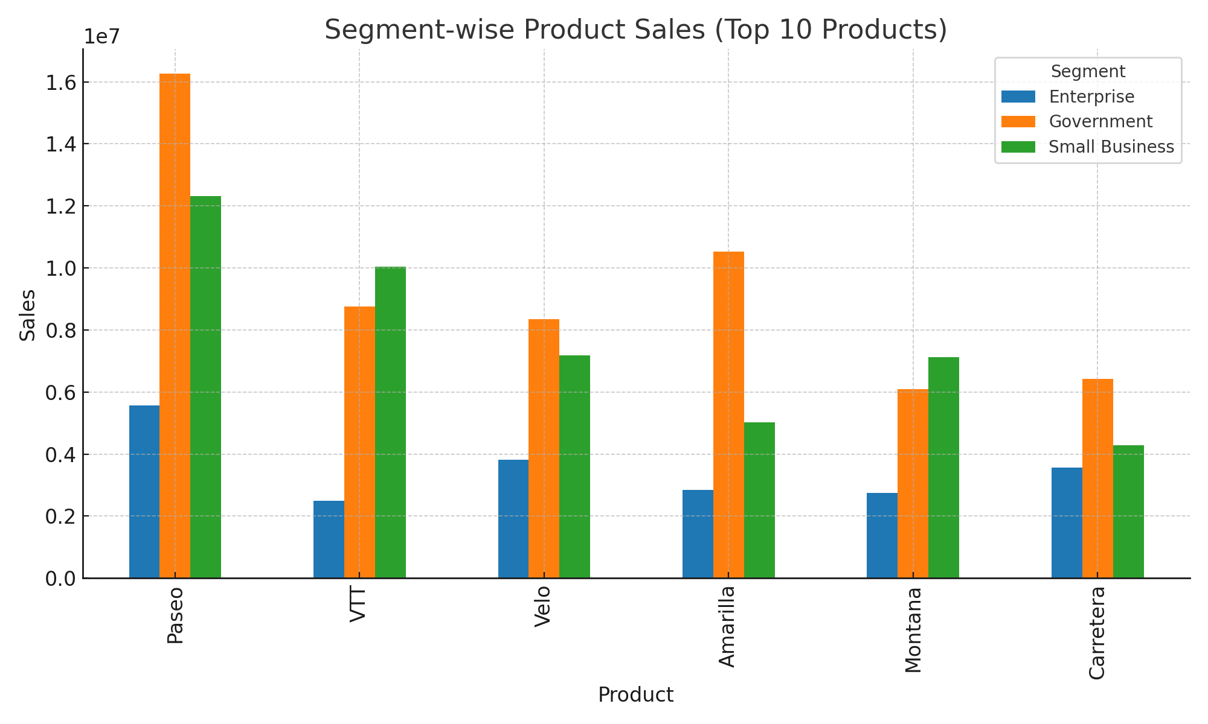

Sales vs Profit
 | 1

